Database Structure
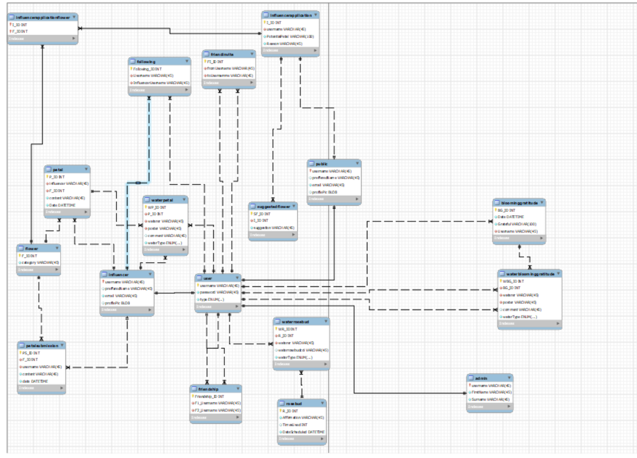
Database Structure
Team Name: | Le Fleur King

